internal wire harneses
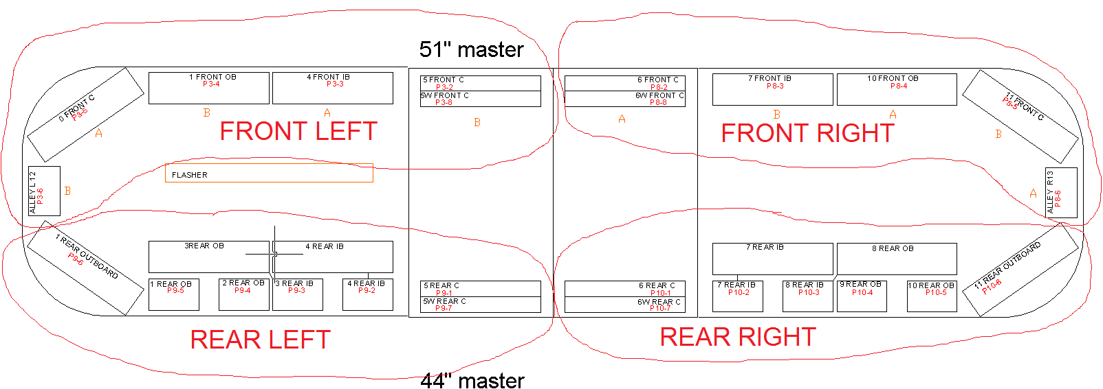
For each Quadrant |  |  | ( assumes all bar lengths use the same length wire)
 | If one or more head in a quadrant is Dual color:
 |  | Left Quadrants: P/N:
 |  | Right Quadrants: P/N:

 | If all heads in a quadrant are single color:
 |  | Left Quadrants: P/N:
 |  | Right Quadrants: P/N:

